Wallet Acount (345626)
Automation of Reconciliation Requirements |  |  | Prepared by Sagar 2023-04-14
1. Wallet Account ( 345626) | GME Voucher | Bank Statement
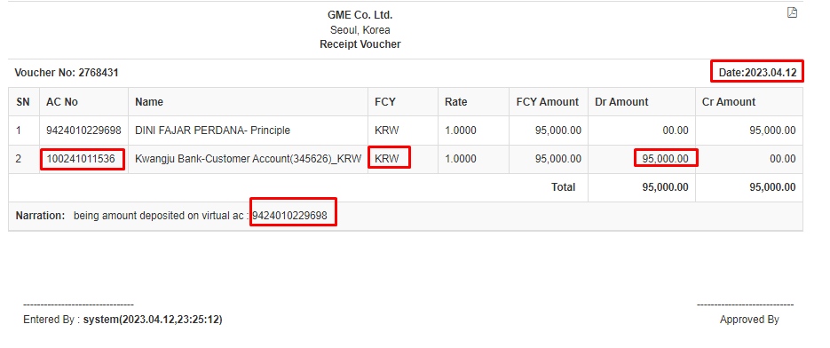

A. Money Depoisted by Customer

 | GME Voucher | Bank Statement
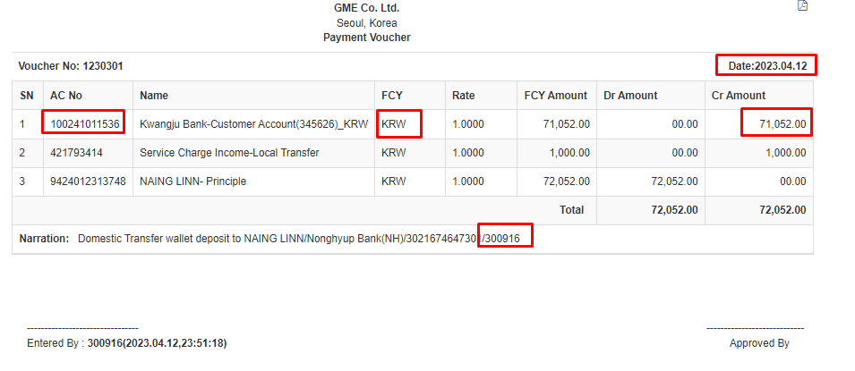

B. Local Transfer Sucess from Wallet

 | GME Voucher | Bank Statement
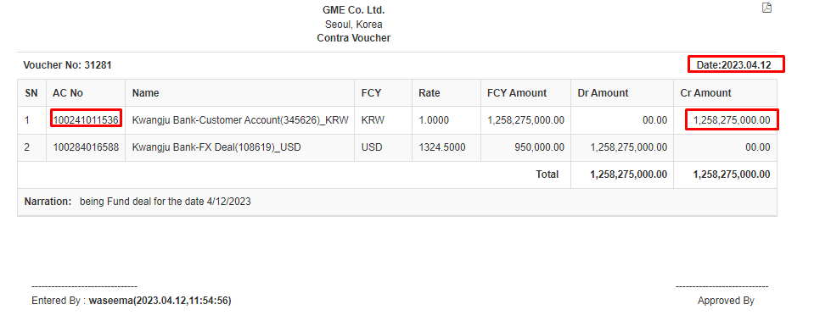

C. Dollar Buying Entry

CMS Account ( 574382)
1. CMS Account ( 574382) | GME Voucher | Bank Statement

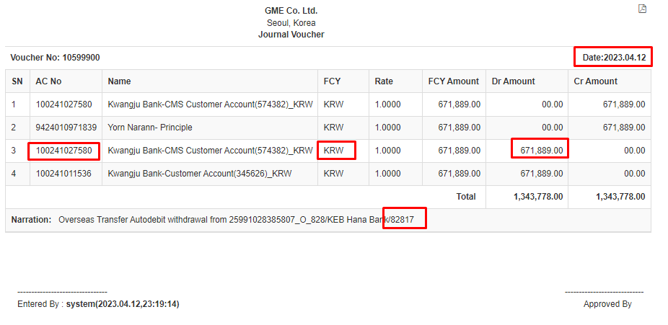
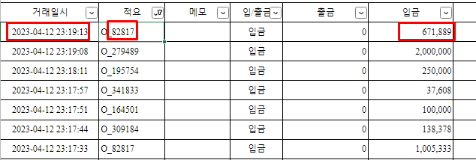

a. Overseas Transaction withdrawal

 | GME Voucher | Bank Statement
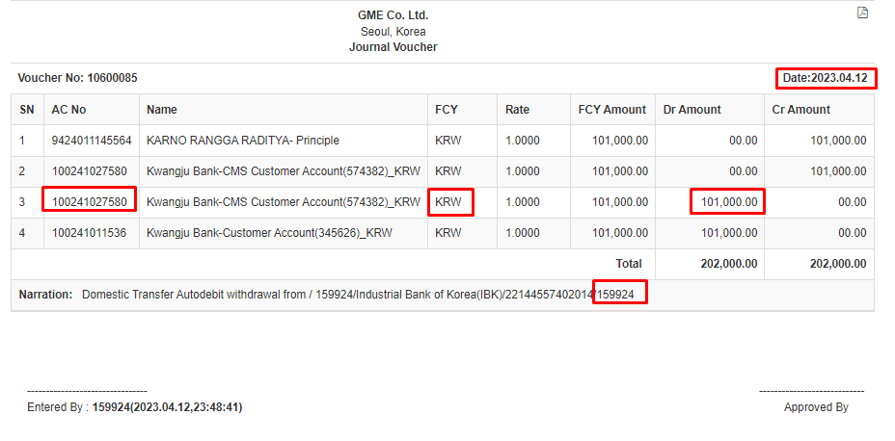

b. Local Transfer withdrawal

 | GME Voucher | Bank Statement
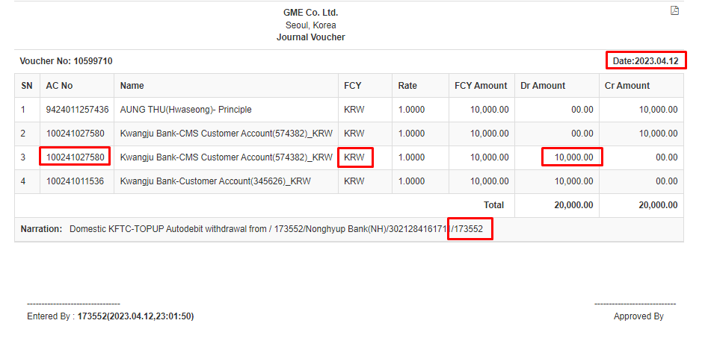

c. Local Topup withdrawal

 | GME Voucher | Bank Statement
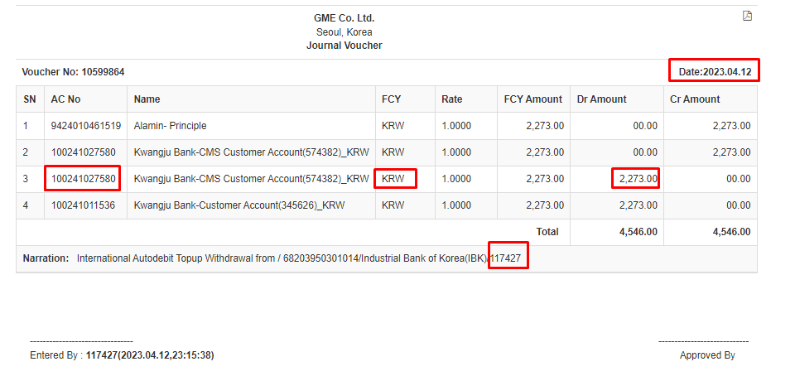

d. International Topup withdrawal

 | GME Voucher | Bank Statement
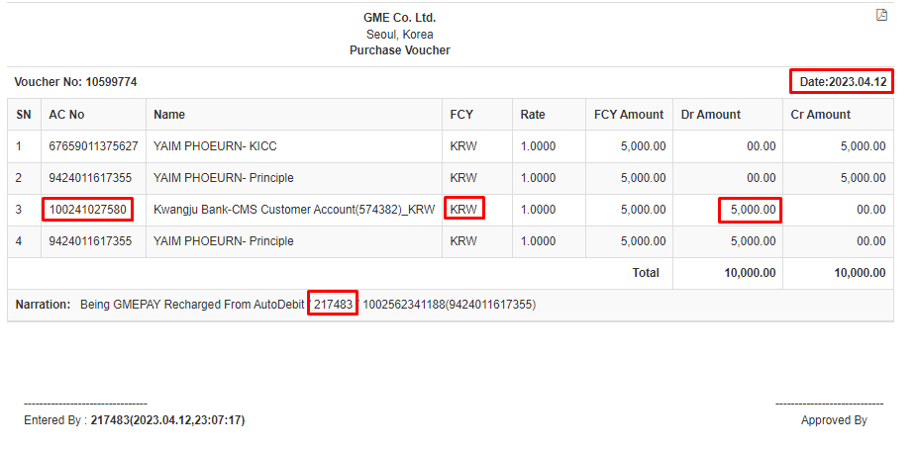

e. GME Pay Recharged withdrawal

 | GME Voucher | Bank Statement
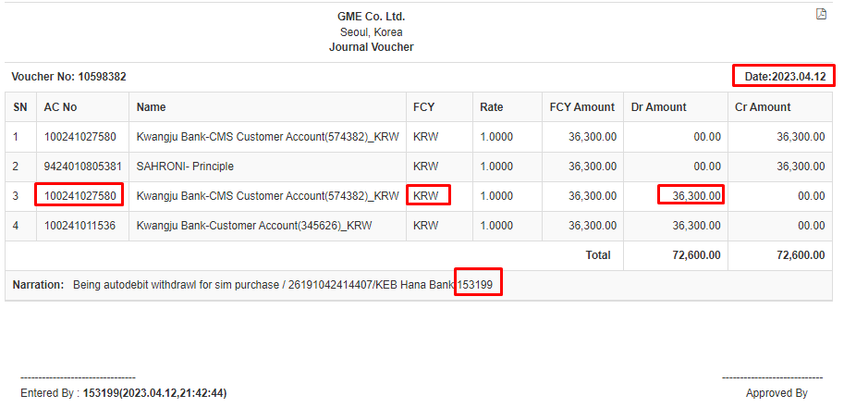

f. Sim Card Purchased withdrawal

 | GME Voucher | Bank Statement
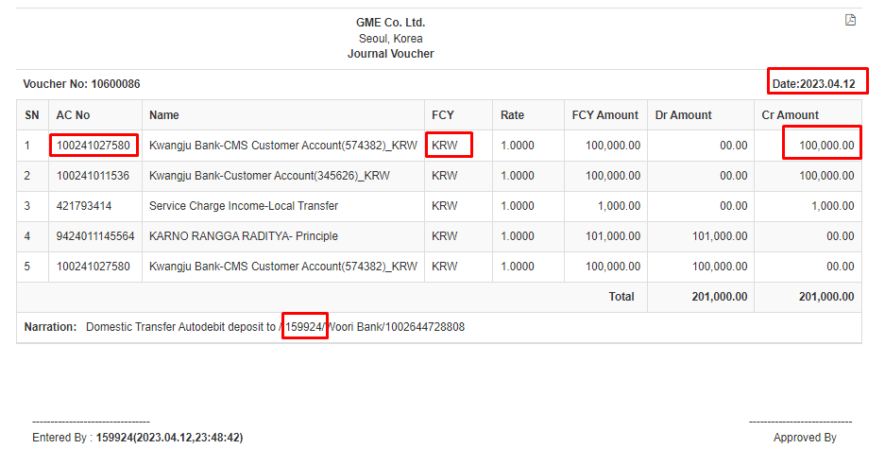

1. Local Transfer Deposited

B. Partner reconciliation | GME Voucher | Bank Statement

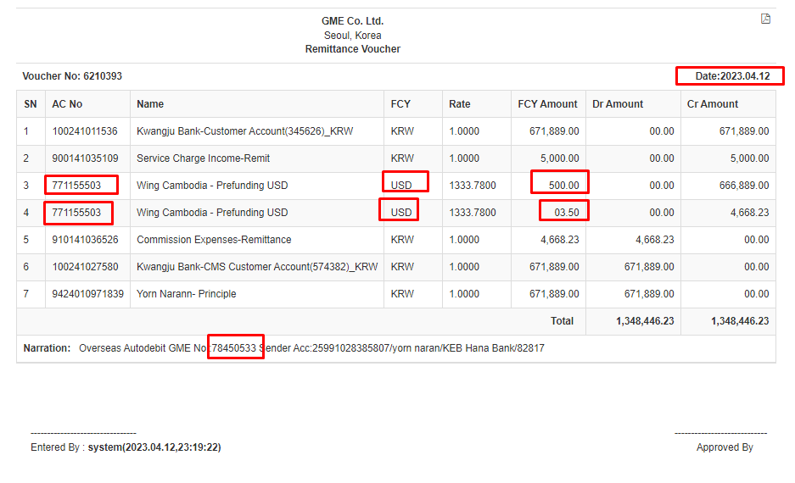

2. Overseas Transaction Generated

 | GME Voucher | Bank Statement
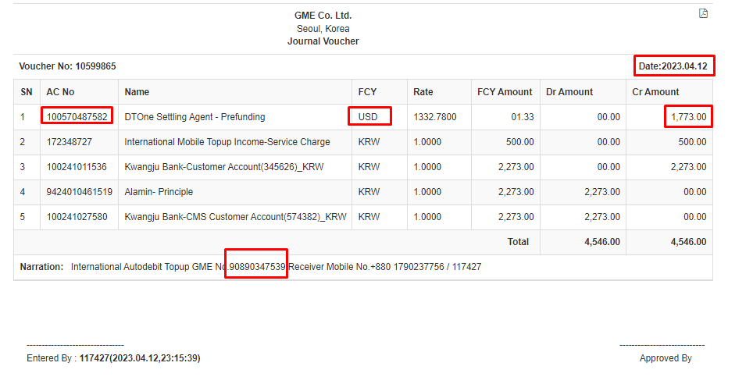

3. International Top up Success

 | GME Voucher | Bank Statement
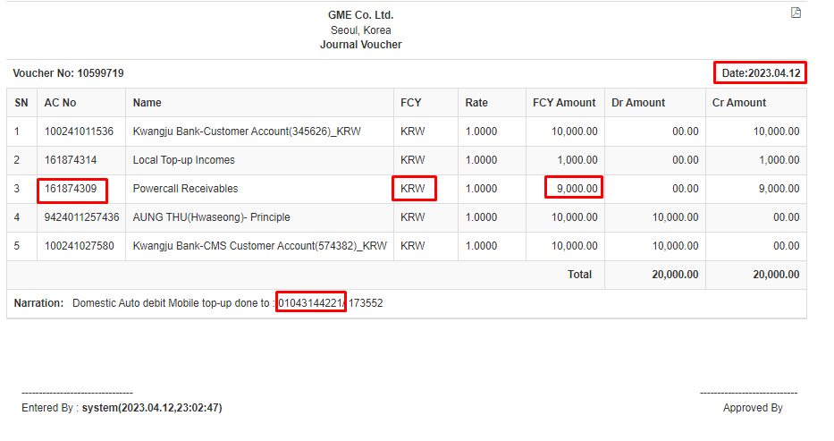

4. Local Top up Success

